Executive Summary
BBP Operational Waste Guidelines: procurement, management and reporting
Executive summary

The Better Building Partnership (BBP) is committed to continuous improvement in the management of waste generated by commercial buildings’ operations. Drawing on its extensive expertise, it has developed these Guidelines to assist building owners and property managers to work more effectively and consistently with their waste and cleaning contractors. The Guidelines include a number of tools to create, procure and implement effective waste management programs. Using these tools will promote comparable data, clearly articulated accountabilities and transparent reporting processes. The BBP hopes that by working together as an industry we can drive better standards, improve industry benchmarking and increase positive outcomes for waste reduction and resource recovery in the sector. To this end the BBP has worked with NABERS and GECA to develop two supporting programs: NABERS Waste, and n Good Environmental Choice Australia, (GECA) Waste Collection Services Standard. We encourage leading organisations to embrace these two initiatives as part of their waste improvement program. |  |  | Robust waste management programs require clear contracts and articulation of roles. Model contract clauses have been developed to assist with this process (Part A). A range of related tools that collectively form a waste management system are also described (Appendices B–E). The appendices are available in Excel format so they can be used as a set or as enhancements to supplement your current waste management systems. These Guidelines do not assume that all buildings will operate the same waste streams, have the same level of reporting or target the same recovery rates. Instead, they are a framework. Each organisation will choose its priorities, level of service and reporting based on its market position, customer/ tenant requirements. The Guidelines simply seek to provide a common set of measures, a transparent method of comparing performance and a mechanism to iteratively improve performance over time.

This document contains 6 parts:
 |  | Introduction and context
 | 
Part A Model Contract Clauses | Part B Material streams and conversions | Part C Template waste management plan | Part D Template roles, responsibilities, KPIs | Part E Waste data integrity rating protocol

How to use this guide
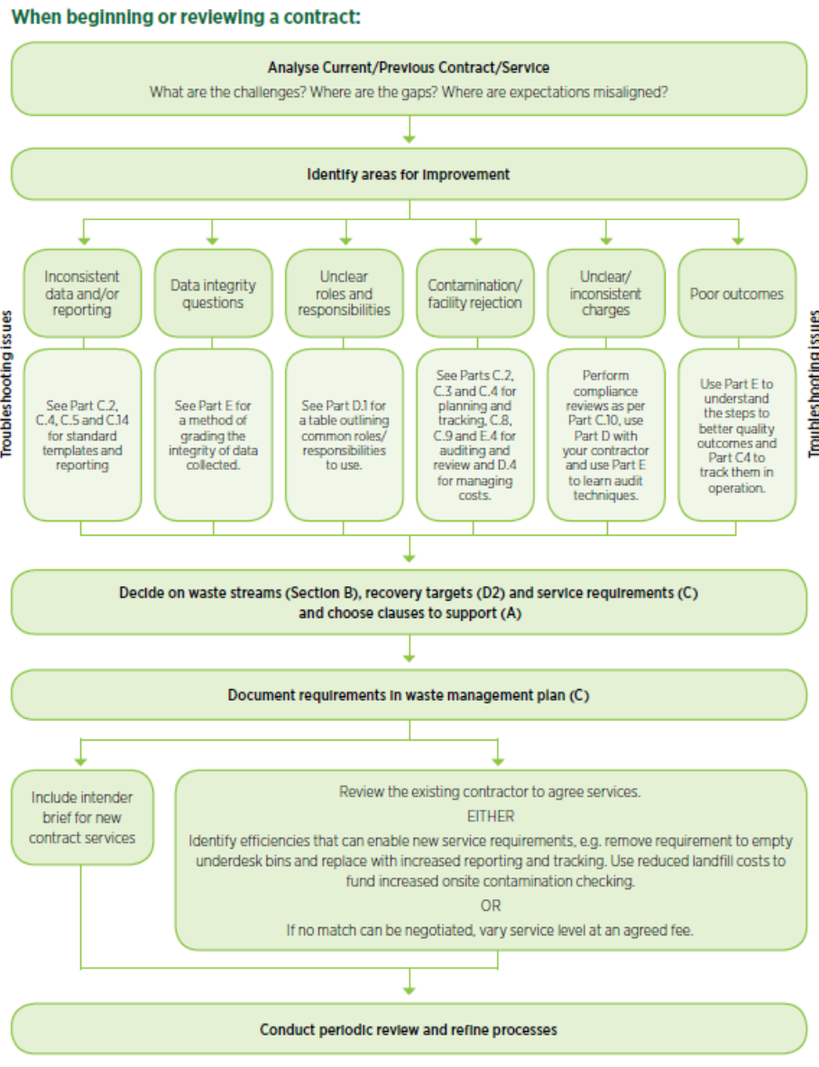
BBP Operational Waste Guidelines: procurement, management and reporting
How to use this guide

